Tabelle1
 |  |  | BIRKENSTOCK WARE

PS |  | MODEL | MODEL NR | GRÖßE | MENGE | UVP | TOTAL
 | 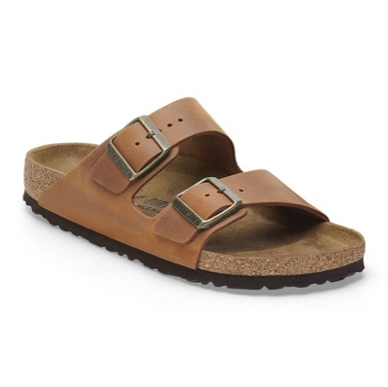 | Arizona BS Cognac | 1028272 | 39 | 134 | 120.00 € | 16,080.00 €

 | 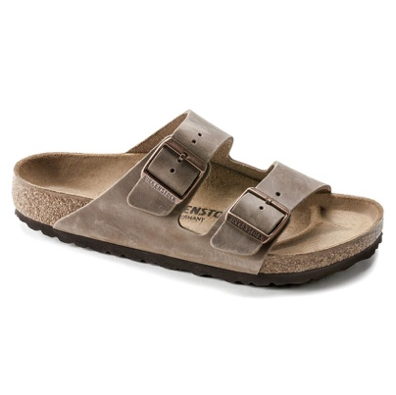 | Arizona BS Tabacco Brown | 552813 | 37 | 216 | 120.00 € | 25,920.00 €
 |  |  |  |  |  |  | 0.00 €
 | 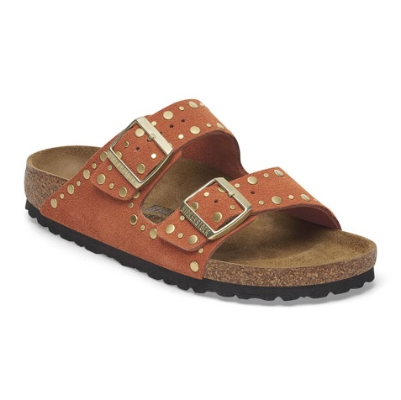 | Arizona Rivet Border Dark Rust | 1029513 | 38 | 72 | 150.00 € | 10,800.00 €
 |  |  |  |  |  |  | 0.00 €
 | 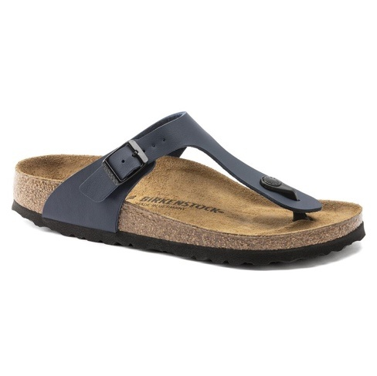 | Gizeh BS Blue | 143621 | 41 | 144 | 90.00 € | 12,960.00 €
 |  |  |  |  |  |  | 0.00 €
 | 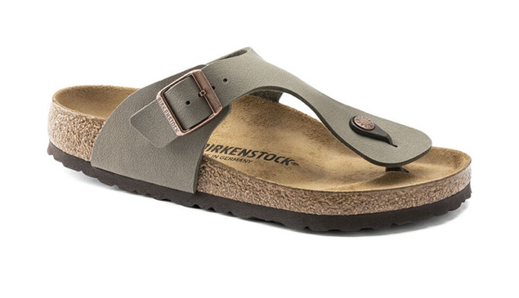 | Ramses BS Stone | 44051 | 42 | 144 | 80.00 € | 11,520.00 €
 |  |  |  |  |  |  | 0.00 €
 | 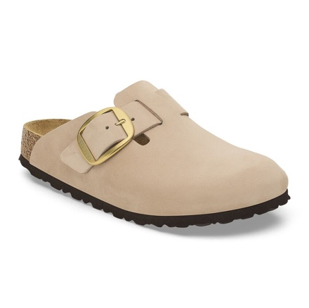 | Boston Brg Buchle Sandcastle | 1028052 | 38 | 408 | 170.00 € | 69,360.00 €
 |  |  |  |  |  |  | 0.00 €
 | 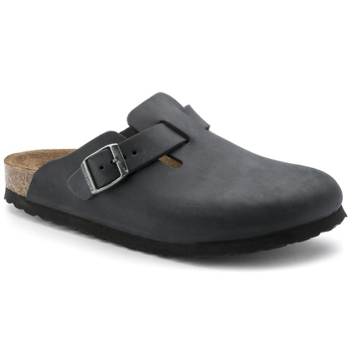 | Boston BS Black | 1027142 | 41 | 264 | 150.00 € | 39,600.00 €
 |  |  |  |  |  |  | 0.00 €
 | 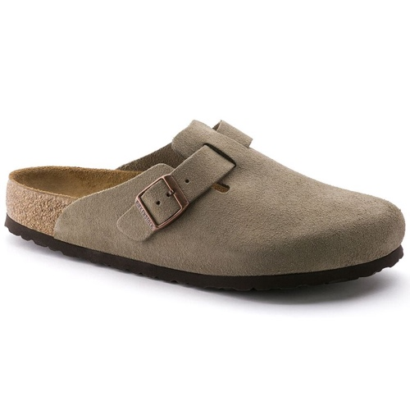 | Boston BS Taupe | /0060463 | 36 | 61 | 160.00 € | 9,760.00 €
 |  |  |  |  |  |  | 0.00 €
 | 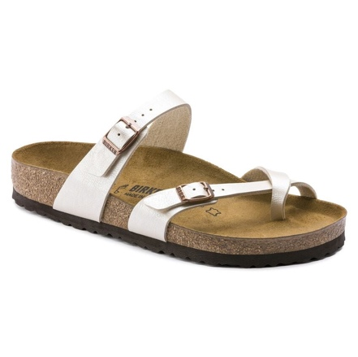 | Mayari Graceful Pearl White | /0071661 | 40 | 12 | 100.00 € | 1,200.00 €
 |  |  |  |  |  |  | 0.00 €
 | 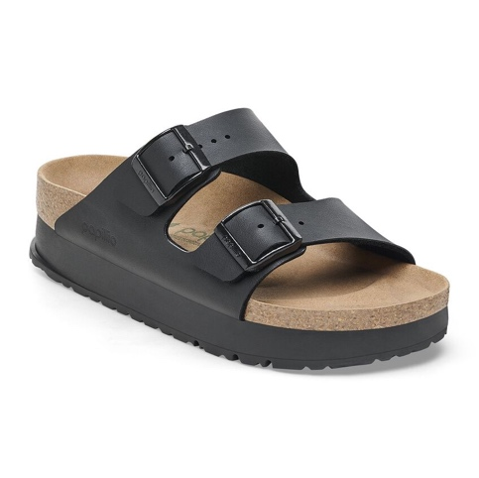 | Arizona Pap Flex Platform | 1027395 | 41 | 48 | 100.00 € | 4,800.00 €
 |  |  |  |  |  |  | 0.00 €
 | 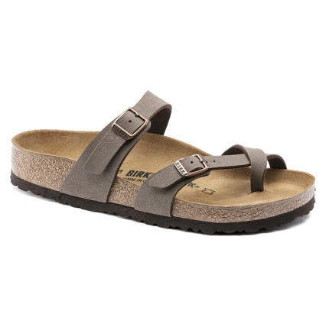 | Mayari Mocca | /0071063 | 38 | 24 | 100.00 € | 2,400.00 €
 |  | Mayari Mocca | /0071063 | 39 | 84 | 100.00 € | 8,400.00 €
 |  |  |  |  |  |  | 0.00 €
 | 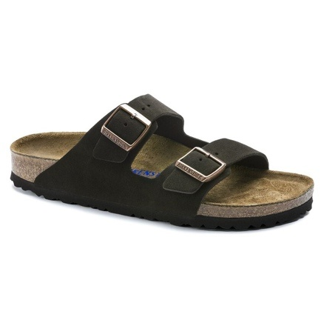 | Arizona BS Mocca | /0951311 | 40 | 11 | 130.00 € | 1,430.00 €
 | 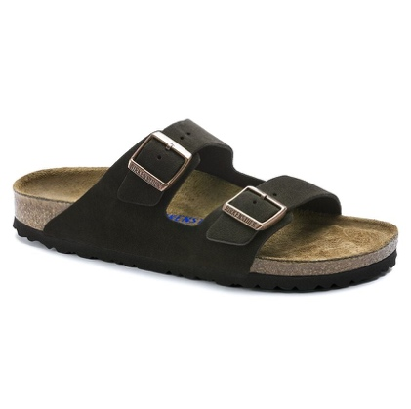 | Arizona BS Mocca | /0951311 | 41 | 12 | 130.00 € | 1,560.00 €
 |  |  |  |  |  |  | 0.00 €
 | 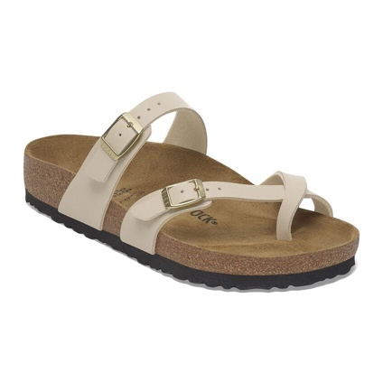 | Mayori Sandcastle | 1029811 | 37 | 48 | 90.00 € | 4,320.00 €
 |  |  |  |  |  |  | 0.00 €
 | 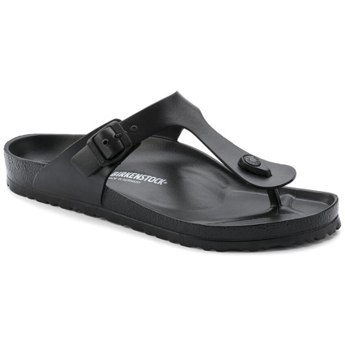 | Gizeh Eva Black | /0128201 | 38 | 216 | 50.00 € | 10,800.00 €
 |  |  |  |  |  |  | 0.00 €
 | 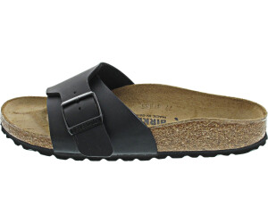 | Catalina BS Black | 1026473 | 38 | 192 | 80.00 € | 15,360.00 €
 |  |  |  |  |  |  | 0.00 €
 | 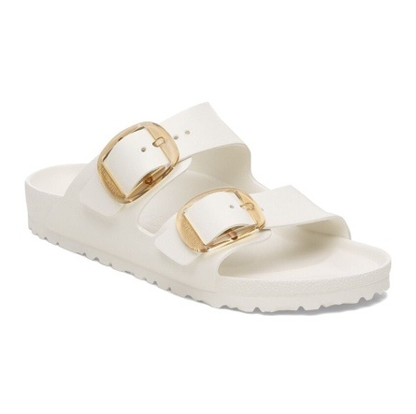 | Arizona BIG Buckle Eva | 1029651 | 38 | 144 | 65.00 € | 9,360.00 €
 |  |  |  |  |  |  | 0.00 €
 |  | Arizona BS Cognac | 1028272 | 39 | 12 | 120.00 € | 1,440.00 €
 |  |  |  |  |  |  | 0.00 €
 | 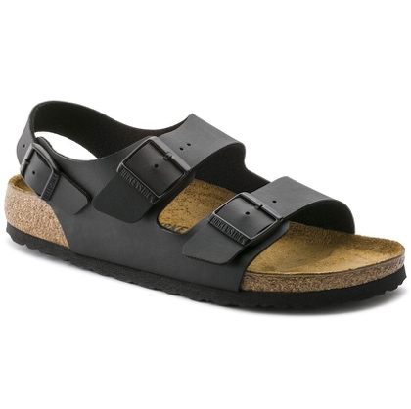 | Milano BS X | /0034791 | 38 | 71 | 100.00 € | 7,100.00 €
 |  |  |  |  |  |  | 0.00 €
 | 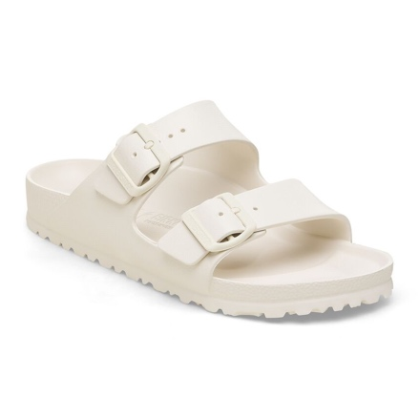 | Arizona EVA Eggshell | 1027384 | 41 | 217 | 55.00 € | 11,935.00 €
 |  |  |  |  |  |  | 0.00 €
 | 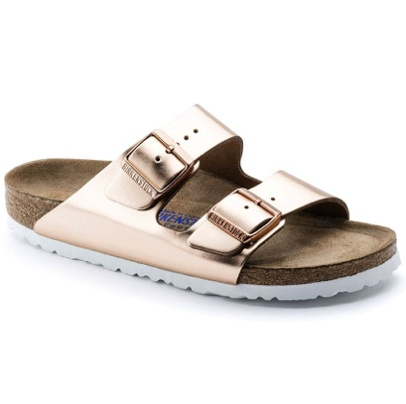 | Arizona BS Matall Cooper | /0952093 | 37 | 216 | 120.00 € | 25,920.00 €
 |  |  |  |  |  |  | 0.00 €
 |  | Arizona BS Cognac | 1028401 | 38 | 216 | 120.00 € | 25,920.00 €
 |  |  |  |  |  |  | 0.00 €
 | 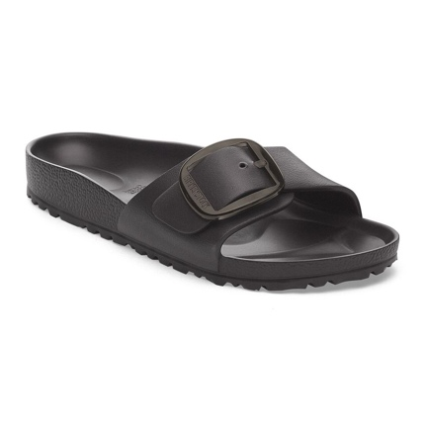 | Madrid Big Buckle EVA Black | 1029635 | 37 | 72 | 55.00 € | 3,960.00 €
 |  |  |  |  |  |  | 0.00 €
 | 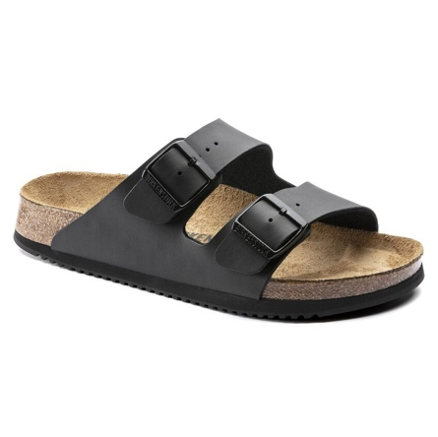 | Arizona Prof Black | 1018222 | 37 | 60 | 85.00 € | 5,100.00 €
 |  |  |  |  |  |  | 0.00 €
 |  | Profi Birki 2.0 Black | 1025975 | 43 | 176 | 85.00 € | 14,960.00 €
 |  |  |  |  |  |  | 0.00 €
 | 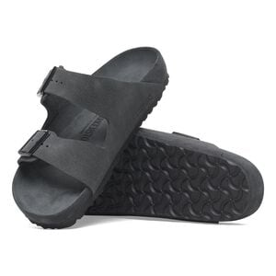 | Florida BS Sandcastle |  | 38 | 216 | 180.00 € | 38,880.00 €
 | 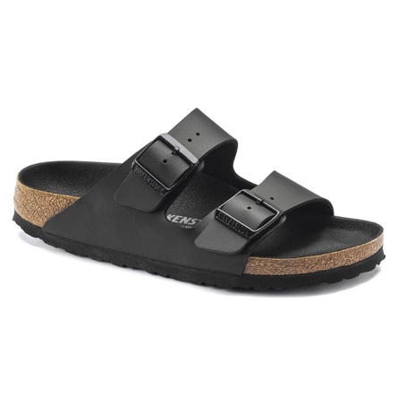 | Arizona BS Trippel Black | 1019069 | 39 | 154 | 100.00 € | 15,400.00 €
 |  |  |  |  |  |  | 0.00 €
 | 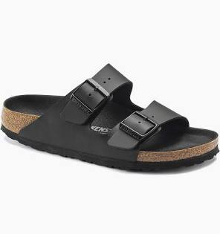 | Arizona Birko Flor Black | 1019069 | 39 | 2 | 100.00 € | 200.00 €
 |  |  |  |  | 3646 | 107.00 € | 390,365.00 €
 |  |  |  |  |  | Durschnitt
 |  |  |  |  |  | Preis

